Daily Power Station Chart_15-01
Plant_06/03/2025Chart

Plant:odco1 |  |  | Installed Capacity:111.180kWp
Today Yield(kWh):49.000kWh |  | Today Earning:19600.000TND |  | Today Full Load Hours(h):0.44h

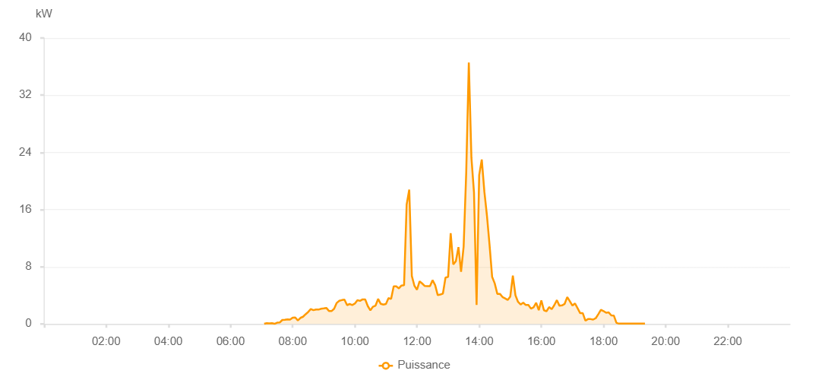

Number | Time | Working State | PV(W) | Instantaneous Radiation(W/㎡)
1 | 07:05:00 | Online | 20.00000 | 0
2 | 07:10:00 | Online | 110.00000 | 0
3 | 07:15:00 | Online | 90.00000 | 0
4 | 07:20:00 | Online | 110.00000 | 0
5 | 07:25:00 | Online | 20.00000 | 0
6 | 07:30:00 | Online | 180.00000 | 1.00000
7 | 07:35:00 | Online | 210.00000 | 1.00000
8 | 07:40:00 | Online | 560.00000 | 3.00000
9 | 07:45:00 | Online | 580.00000 | 4.00000
10 | 07:50:00 | Online | 640.00000 | 5.00000
11 | 07:55:00 | Online | 610.00000 | 5.00000
12 | 08:00:00 | Online | 870.00000 | 4.00000
13 | 08:05:00 | Online | 910.00000 | 8.00000
14 | 08:10:00 | Online | 480.00000 | 6.00000
15 | 08:15:00 | Online | 850.00000 | 7.00000
16 | 08:20:00 | Online | 1010.00000 | 8.00000
17 | 08:25:00 | Online | 1360.00000 | 12.00000
18 | 08:30:00 | Online | 1680.00000 | 12.00000
19 | 08:35:00 | Online | 2080.00000 | 16.00000
20 | 08:40:00 | Online | 1930.00000 | 16.00000
21 | 08:45:00 | Online | 2020.00000 | 19.00000
22 | 08:50:00 | Online | 2010.00000 | 18.00000
23 | 08:55:00 | Online | 2130.00000 | 18.00000
24 | 09:00:00 | Online | 2180.00000 | 16.00000
25 | 09:05:00 | Online | 2240.00000 | 19.00000
26 | 09:10:00 | Online | 1820.00000 | 18.00000
27 | 09:15:00 | Online | 1800.00000 | 16.00000
28 | 09:20:00 | Online | 2120.00000 | 21.00000
29 | 09:25:00 | Online | 2940.00000 | 26.00000
30 | 09:30:00 | Online | 3240.00000 | 23.00000
31 | 09:35:00 | Online | 3340.00000 | 25.00000
32 | 09:40:00 | Online | 3400.00000 | 28.00000
33 | 09:45:00 | Online | 2630.00000 | 28.00000
34 | 09:50:00 | Online | 2790.00000 | 20.00000
35 | 09:55:00 | Online | 2650.00000 | 28.00000
36 | 10:00:00 | Online | 2850.00000 | 21.00000
37 | 10:05:00 | Online | 3320.00000 | 21.00000
38 | 10:10:00 | Online | 3230.00000 | 28.00000
39 | 10:15:00 | Online | 3440.00000 | 32.00000
40 | 10:20:00 | Online | 3430.00000 | 31.00000
41 | 10:25:00 | Online | 2500.00000 | 31.00000
42 | 10:30:00 | Online | 1900.00000 | 21.00000
43 | 10:35:00 | Online | 2410.00000 | 16.00000
44 | 10:40:00 | Online | 2570.00000 | 21.00000
45 | 10:45:00 | Online | 3500.00000 | 29.00000
46 | 10:50:00 | Online | 2810.00000 | 29.00000
47 | 10:55:00 | Online | 2720.00000 | 29.00000
48 | 11:00:00 | Online | 2800.00000 | 22.00000
49 | 11:05:00 | Online | 3620.00000 | 31.00000
50 | 11:10:00 | Online | 3500.00000 | 32.00000
51 | 11:15:00 | Online | 5250.00000 | 37.00000
52 | 11:20:00 | Online | 5250.00000 | 37.00000
53 | 11:25:00 | Online | 4980.00000 | 50.00000
54 | 11:30:00 | Online | 5380.00000 | 84.00000
55 | 11:35:00 | Online | 5410.00000 | 30.00000
56 | 11:40:00 | Online | 16690.00000 | 105.00000
57 | 11:45:00 | Online | 18790.00000 | 164.00000
58 | 11:50:00 | Online | 6710.00000 | 128.00000
59 | 11:55:00 | Online | 5340.00000 | 63.00000
60 | 12:00:00 | Online | 4790.00000 | 39.00000
61 | 12:05:00 | Online | 5960.00000 | 33.00000
62 | 12:10:00 | Online | 5660.00000 | 57.00000
63 | 12:15:00 | Online | 5310.00000 | 48.00000
64 | 12:20:00 | Online | 5290.00000 | 32.00000
65 | 12:25:00 | Online | 5290.00000 | 32.00000
66 | 12:30:00 | Online | 6120.00000 | 50.00000
67 | 12:35:00 | Online | 5430.00000 | 33.00000
68 | 12:40:00 | Online | 4030.00000 | 34.00000
69 | 12:45:00 | Online | 4110.00000 | 76.00000
70 | 12:50:00 | Online | 4250.00000 | 48.00000
71 | 12:55:00 | Online | 6480.00000 | 48.00000
72 | 13:00:00 | Online | 6580.00000 | 76.00000
73 | 13:05:00 | Online | 12700.00000 | 185.00000
74 | 13:10:00 | Online | 8320.00000 | 112.00000
75 | 13:15:00 | Online | 8770.00000 | 79.00000
76 | 13:20:00 | Online | 10740.00000 | 102.00000
77 | 13:25:00 | Online | 7300.00000 | 85.00000
78 | 13:30:00 | Online | 10820.00000 | 54.00000
79 | 13:35:00 | Online | 21210.00000 | 129.00000
80 | 13:40:00 | Online | 36580.00000 | 224.00000
81 | 13:45:00 | Online | 23260.00000 | 312.00000
82 | 13:50:00 | Online | 18370.00000 | 23.00000
83 | 13:55:00 | Online | 2660.00000 | 42.00000
84 | 14:00:00 | Online | 20820.00000 | 42.00000
85 | 14:05:00 | Online | 23000.00000 | 274.00000
86 | 14:10:00 | Online | 18510.00000 | 138.00000
87 | 14:15:00 | Online | 15150.00000 | 144.00000
88 | 14:20:00 | Online | 11080.00000 | 134.00000
89 | 14:25:00 | Online | 6590.00000 | 39.00000
90 | 14:30:00 | Online | 5670.00000 | 46.00000
91 | 14:35:00 | Online | 4210.00000 | 31.00000
92 | 14:40:00 | Online | 4210.00000 | 27.00000
93 | 14:45:00 | Online | 3770.00000 | 27.00000
94 | 14:50:00 | Online | 3570.00000 | 26.00000
95 | 14:55:00 | Online | 3360.00000 | 19.00000
96 | 15:00:00 | Online | 3830.00000 | 34.00000
97 | 15:05:00 | Online | 6760.00000 | 64.00000
98 | 15:10:00 | Online | 4010.00000 | 64.00000
99 | 15:15:00 | Online | 3090.00000 | 22.00000
100 | 15:20:00 | Online | 2720.00000 | 23.00000
101 | 15:25:00 | Online | 2980.00000 | 28.00000
102 | 15:30:00 | Online | 2650.00000 | 28.00000
103 | 15:35:00 | Online | 2650.00000 | 18.00000
104 | 15:40:00 | Online | 2140.00000 | 16.00000
105 | 15:45:00 | Online | 2320.00000 | 13.00000
106 | 15:50:00 | Online | 2960.00000 | 13.00000
107 | 15:55:00 | Online | 1920.00000 | 19.00000
108 | 16:00:00 | Online | 3290.00000 | 17.00000
109 | 16:05:00 | Online | 1910.00000 | 17.00000
110 | 16:10:00 | Online | 1780.00000 | 17.00000
111 | 16:15:00 | Online | 2360.00000 | 12.00000
112 | 16:20:00 | Online | 2060.00000 | 12.00000
113 | 16:25:00 | Online | 2630.00000 | 46.00000
114 | 16:30:00 | Online | 3330.00000 | 46.00000
115 | 16:35:00 | Online | 2540.00000 | 19.00000
116 | 16:40:00 | Online | 2600.00000 | 21.00000
117 | 16:45:00 | Online | 2810.00000 | 21.00000
118 | 16:50:00 | Online | 3760.00000 | 22.00000
119 | 16:55:00 | Online | 3180.00000 | 10.00000
120 | 17:00:00 | Online | 2570.00000 | 10.00000
121 | 17:05:00 | Online | 2870.00000 | 9.00000
122 | 17:10:00 | Online | 2200.00000 | 20.00000
123 | 17:15:00 | Online | 1510.00000 | 10.00000
124 | 17:20:00 | Online | 1510.00000 | 8.00000
125 | 17:25:00 | Online | 460.00000 | 3.00000
126 | 17:30:00 | Online | 680.00000 | 7.00000
127 | 17:35:00 | Online | 680.00000 | 5.00000
128 | 17:40:00 | Online | 610.00000 | 5.00000
129 | 17:45:00 | Online | 800.00000 | 9.00000
130 | 17:50:00 | Online | 1370.00000 | 9.00000
131 | 17:55:00 | Online | 1970.00000 | 13.00000
132 | 18:00:00 | Online | 1800.00000 | 13.00000
133 | 18:05:00 | Online | 1560.00000 | 13.00000
134 | 18:10:00 | Online | 1610.00000 | 8.00000
135 | 18:15:00 | Online | 1200.00000 | 5.00000
136 | 18:20:00 | Online | 1160.00000 | 0
137 | 18:25:00 | Online | 150.00000 | 0
138 | 18:30:00 | Online | 40.00000 | 0
139 | 18:35:00 | Online | 40.00000 | 0
140 | 18:40:00 | Online | 40.00000 | 0
141 | 18:45:00 | Online | 40.00000 | 0
142 | 18:50:00 | Online | 40.00000 | 0
143 | 18:55:00 | Online | 50.00000 | 0
144 | 19:00:00 | Online | 40.00000 | 0
145 | 19:05:00 | Online | 40.00000 | 0
146 | 19:10:00 | Online | 40.00000 | 0
147 | 19:15:00 | Online | 40.00000 | 0
148 | 19:20:00 | Online | 40.00000 | 0
149 | 19:40:00 | Online | 0.00001 | 0.00001

